Dashboard
Business Analytics Dashboard
Total Sales
Total Order
Total Profit
Total Stock Level
Reorder
Inventory Chart
 | Sum of Stock Level | Sum of Reorder Threshold
Headphones | 1052744 | 532950
Laptop | 1015372 | 539551
Smartphone | 1071115 | 549387
Smartwatch | 1032596 | 526283
Tablet | 1028142 | 536290

$252,060,196.00
495389
60866037
5199969
2684461

Region wise sales
 | Total
East | 63503892
North | 64863284
South | 61647932
West | 62045088
Monthly sales
 | Total
January | 22189936
February | 20221854
March | 22470889
April | 20982013
May | 20189532
June | 20100374
July | 20494521
August | 20215456
September | 21485213
October | 22060457
November | 21560809
December | 20089142
Product wise sales
 | Total
Headphones | 51035104
Laptop | 50450290
Smartphone | 50341798
Smartwatch | 49122132
Tablet | 51110872

Pivot table
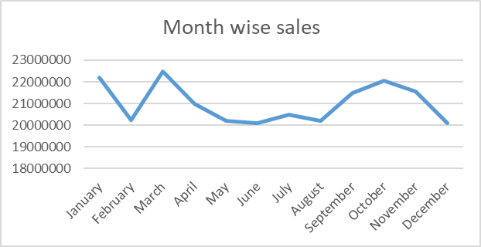
Month wise sales
Row Labels | Sum of Sales
January | 22189936
February | 20221854
March | 22470889
April | 20982013
May | 20189532
June | 20100374
July | 20494521
August | 20215456
September | 21485213
October | 22060457
November | 21560809
December | 20089142
Product wise sales
Grand Total | 252060196

Row Labels | Sum of Sales
Headphones | 51035104
Laptop | 50450290
Smartphone | 50341798
Smartwatch | 49122132
Tablet | 51110872
Region wise sales
Grand Total | 252060196

Row Labels | Sum of Sales
East | 63503892
North | 64863284
South | 61647932
West | 62045088
Grand Total | 252060196

Row Labels | Sum of Stock Level | Sum of Reorder Threshold
Headphones | 1052744 | 532950
Laptop | 1015372 | 539551
Smartphone | 1071115 | 549387
Smartwatch | 1032596 | 526283
Tablet | 1028142 | 536290
Grand Total | 5199969 | 2684461

Sum of Sales
252060196 | $252,060,196.00

Sum of Total Orders
495389 | 495389

Sum of Profit
60866037 | 60866037

Sum of Stock Level
5199969 | 5199969

Sum of Reorder Threshold
2684461 | 2684461

